Sheet1
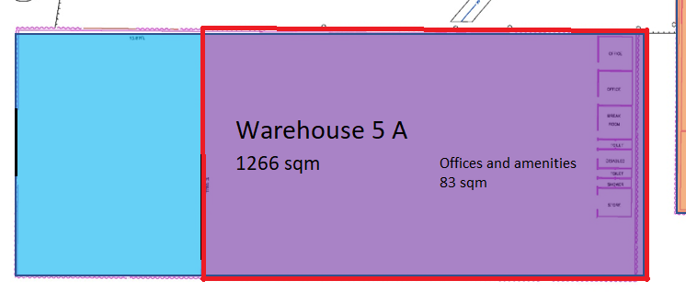
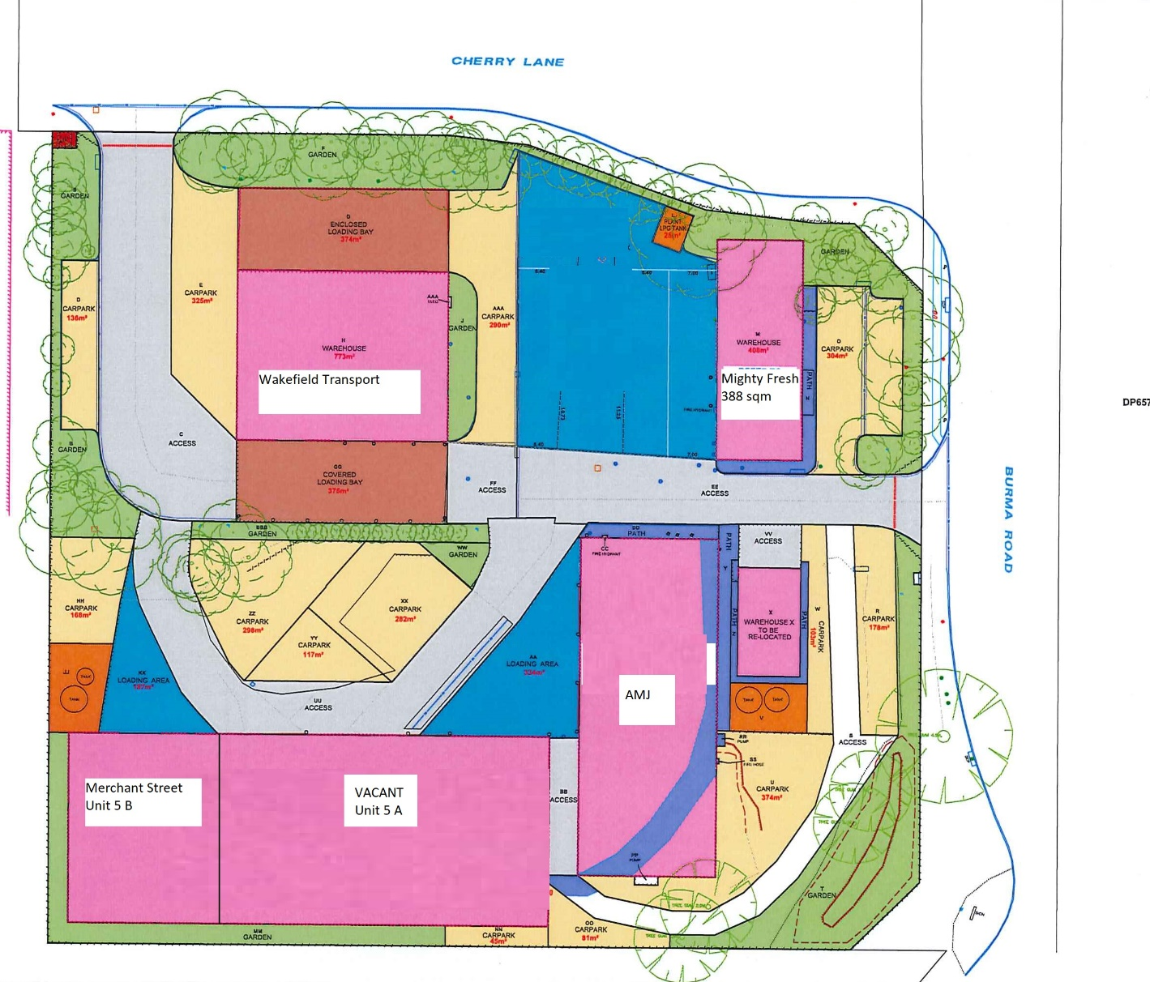
Unit 5 A, 9 - 15 BURMA ROAD, POORAKA

Area - Warehouse | 1266
Area - Offices | 83.4
Total Leased Area | 1349.4
Rent PA | $102,000.00
Rate/sqm | $75.59
Outgoings Estimate | $30,381.00
Gross rent | $132,381.00

